Mundo
Country Name | Country Code | Income Group | Region | GDP per capita, PPP 2011 | Gross capital formation | Population | School Net | School Gross | GDP per capita, PPP 1980 | Dif. Logaritmo
Antigua and Barbuda | ATG | Upper middle income | Latin America & Caribbean | 14139 | 18.3311 | 0.7625 | 86.1764 | 108.1248 | 7331 | 0.2853
Argentina | ARG | Upper middle income | Latin America & Caribbean | 15501 | 22.0022 | 1.2137 | 82.1886 | 88.5321 | 10075 | 0.1871
Bahamas, The | BHS | High income: nonOECD | Latin America & Caribbean | 28239 | 24.6400 | 1.6452 | 84.9051 | 93.9632 | 26045 | 0.0351
Belize | BLZ | Lower middle income | Latin America & Caribbean | 5896 |  | 2.9166 |  |  | 3342 | 0.2465
Bolivia | BOL | Lower middle income | Latin America & Caribbean | 4499 | 17.0070 | 2.0722 | 68.0994 | 80.2357 | 3779 | 0.0758
Brazil | BRA | Upper middle income | Latin America & Caribbean | 10278 | 20.2386 | 1.5860 |  |  | 7567 | 0.1330
Chile | CHL | Upper middle income | Latin America & Caribbean | 15272 | 23.5492 | 1.4145 | 82.5573 | 87.9210 | 5654 | 0.4315
Colombia | COL | Upper middle income | Latin America & Caribbean | 8861 | 23.7347 | 1.8298 | 73.6426 | 94.6359 | 5297 | 0.2235
Costa Rica | CRI | Upper middle income | Latin America & Caribbean | 10732 | 19.7628 | 2.3063 |  | 97.1701 | 6378 | 0.2260
Dominica | DMA | Upper middle income | Latin America & Caribbean | 11120 | 22.2985 |  | 87.9911 | 101.9071 | 4002 | 0.4438
Dominican Republic | DOM | Upper middle income | Latin America & Caribbean | 8651 | 16.4749 | 1.8119 | 62.7631 | 78.9512 | 3766 | 0.3612
Ecuador | ECU | Upper middle income | Latin America & Caribbean | 7443 | 26.1765 | 2.0185 |  |  | 5699 | 0.1160
El Salvador | SLV | Lower middle income | Latin America & Caribbean | 6032 | 13.3121 | 0.9667 | 55.0687 | 63.0774 | 4372 | 0.1398
Grenada | GRD | Upper middle income | Latin America & Caribbean | 9806 |  | 0.5367 | 90.6576 | 100.8503 | 4034 | 0.3857
Guatemala | GTM | Lower middle income | Latin America & Caribbean | 4351 | 13.9150 | 2.4193 |  |  | 3873 | 0.0506
Guyana | GUY | Lower middle income | Latin America & Caribbean | 3104 | 26.3341 |  | 80.5426 | 92.6394 | 2059 | 0.1783
Haiti | HTI | Low income | Latin America & Caribbean | 1034 | 25.4334 | 1.8884
Honduras | HND | Lower middle income | Latin America & Caribbean | 3566 | 22.9557 | 2.5038 |  |  | 2820 | 0.1020
Jamaica | JAM | Upper middle income | Latin America & Caribbean | 7074 | 21.1915 | 0.7941 | 83.5942 | 95.6269 | 5250 | 0.1295
Mexico | MEX | Upper middle income | Latin America & Caribbean | 12776 | 24.9674 | 1.6903 | 70.4791 | 86.9208 | 10238 | 0.0962
Nicaragua | NIC | Lower middle income | Latin America & Caribbean | 2579 | 25.8008 | 1.9650 |  |  | 2748 | -0.0275
Panama | PAN | Upper middle income | Latin America & Caribbean | 13766 | 27.5000 | 1.9790 | 65.9356 | 72.7609 | 6558 | 0.3220
Paraguay | PRY | Lower middle income | Latin America & Caribbean | 4752 | 19.4922 | 2.3676 | 60.0441 | 66.9362 | 4047 | 0.0697
Peru | PER | Upper middle income | Latin America & Caribbean | 9049 | 24.9734 | 1.7554 | 78.3794 | 91.6069 | 6083 | 0.1725
St. Kitts and Nevis | KNA | High income: nonOECD | Latin America & Caribbean | 13291 |  | 0.6246 | 90.4806 | 98.6599 | 5564 | 0.3782
St. Lucia | LCA | Upper middle income | Latin America & Caribbean | 8231 | 33.4653 | 1.3641 | 84.3564 | 95.7250 | 4290 | 0.2830
St. Vincent and the Grenadines | VCT | Upper middle income | Latin America & Caribbean | 9482 |  | 0.2951 |  | 109.4343 | 3291 | 0.4596
Suriname | SUR | Upper middle income | Latin America & Caribbean | 7110 |  | 1.1718 | 50.3066 | 74.8293 | 6588 | 0.0331
Trinidad and Tobago | TTO | High income: nonOECD | Latin America & Caribbean | 22761 |  | 0.7478 |  |  | 15310 | 0.1722
Uruguay | URY | Upper middle income | Latin America & Caribbean | 13315 | 18.5581 | 0.4749 | 69.5618 | 90.2383 | 7809 | 0.2318
Venezuela, RB | VEN | Upper middle income | Latin America & Caribbean | 11258 | 20.7167 | 2.2066 | 71.5888 | 82.5872 | 11594 | -0.0128

14139 | 18.3311
15501 | 22.0022
28239 | 24.6400
5896
4499 | 17.0070
10278 | 20.2386
15272 | 23.5492
8861 | 23.7347
10732 | 19.7628
11120 | 22.2985
8651 | 16.4749
7443 | 26.1765
6032 | 13.3121
9806
4351 | 13.9150
3104 | 26.3341
1034 | 25.4334
3566 | 22.9557
7074 | 21.1915
12776 | 24.9674
2579 | 25.8008
13766 | 27.5000
4752 | 19.4922
9049 | 24.9734
13291
8231 | 33.4653
9482
7110
22761
13315 | 18.5581
11258 | 20.7167

 | Colombia | Chile | Brazil | Argentina | Peru | México
Q1 07 | 100 | 100 | 100 | 100 | 100 | 100
Q2 07 | 101.02316619 | 101.25875203 | 101.33333333 | 102.35773383 | 102.16765886 | 101.10122563
Q3 07 | 102.05149298 | 100.75913801 | 102.3003663 | 105.51753563 | 104.65915474 | 101.38395422
Q4 07 | 104.57536419 | 101.92830245 | 104.24908425 | 107.40260371 | 108.16816666 | 102.19367546
Q1 08 | 104.20162106 | 103.64372356 | 106.13919414 | 108.73435692 | 111.23339493 | 103.32506724
Q2 08 | 104.95902787 | 105.46685493 | 107.74358974 | 110.6724008 | 113.03346546 | 103.6106678
Q3 08 | 104.94825392 | 104.53717993 | 109.19413919 | 112.10944851 | 114.67572312 | 102.89434157
Q4 08 | 103.45836009 | 102.14137444 | 105.50915751 | 111.54174552 | 114.90023409 | 100.43810201
Q1 09 | 103.73719298 | 101.36549904 | 104.48351648 | 111.59775841 | 113.92921084 | 94.636250495
Q2 09 | 104.41910768 | 101.00321024 | 106.47619048 | 111.90268452 | 113.69078984 | 93.580549708
Q3 09 |  | 102.28025775 |  |  | 114.84122005

14139 | 0.7625
15501 | 1.2137
28239 | 1.6452
5896 | 2.9166
4499 | 2.0722
10278 | 1.5860
15272 | 1.4145
8861 | 1.8298
10732 | 2.3063
11120
8651 | 1.8119
7443 | 2.0185
6032 | 0.9667
9806 | 0.5367
4351 | 2.4193
3104
1034 | 1.8884
3566 | 2.5038
7074 | 0.7941
12776 | 1.6903
2579 | 1.9650
13766 | 1.9790
4752 | 2.3676
9049 | 1.7554
13291 | 0.6246
8231 | 1.3641
9482 | 0.2951
7110 | 1.1718
22761 | 0.7478
13315 | 0.4749
11258 | 2.2066

14139 | 86.1764
15501 | 82.1886
28239 | 84.9051
5896
4499 | 68.0994
10278
15272 | 82.5573
8861 | 73.6426
10732
11120 | 87.9911
8651 | 62.7631
7443
6032 | 55.0687
9806 | 90.6576
4351
3104 | 80.5426
1034
3566
7074 | 83.5942
12776 | 70.4791
2579
13766 | 65.9356
4752 | 60.0441
9049 | 78.3794
13291 | 90.4806
8231 | 84.3564
9482
7110 | 50.3066
22761
13315 | 69.5618
11258 | 71.5888

R.01
Resultado Nº 01
Estimación del modelo de Solow
Dependent Variable: Log(PBI per capita PPP) en 2011
Muestra de 31 países de LATAM

Variable | Coefficient | Std. Error | t-Statistic | Prob. | 0.50

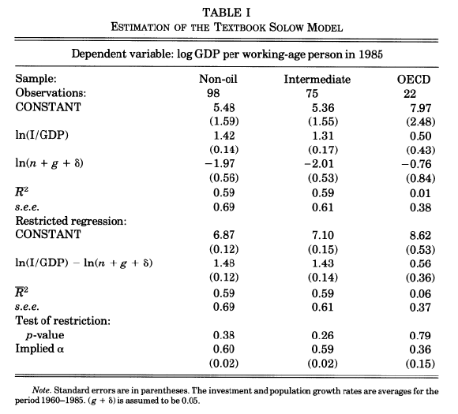
Cte. | 8.02 | 2.082 | 3.853 | 0.001
Log(I/GDP) | 0.40 | 0.684 | 0.585 | 0.565
Log(n+g+delta) | -0.60 | 0.355 | -1.684 | 0.108

R-squared | 0.13
Adjusted R-squared | 0.04
Prob(F-statistic) | 0.25
Alpha implicito | 0.33

R.02
Resultado Nº 02
Estimación del modelo de Solow
Dependent Variable: Log(PBI per capita PPP) en 2011
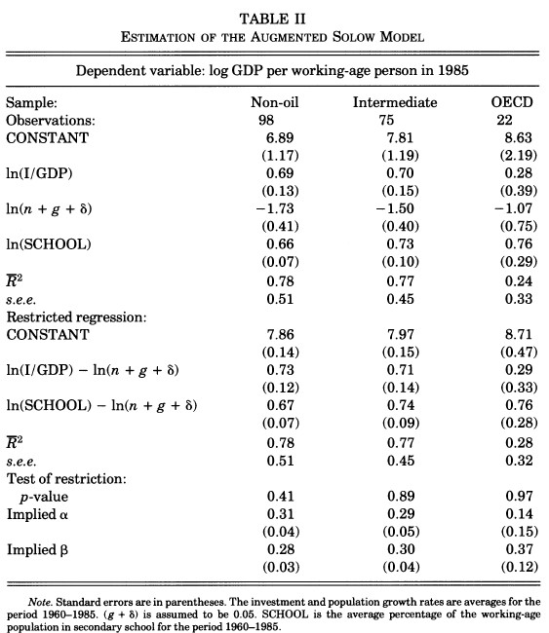
Muestra de 31 países de LATAM

Variable | Coefficient | Std. Error | t-Statistic | Prob.

Cte. | 2.04 | 3.916 | 0.521 | 0.612
Log(I/GDP) | 0.44 | 0.730 | 0.603 | 0.558
Log(n+g+delta) | -0.16 | 0.303 | -0.527 | 0.608
Log(School) | 1.37 | 1.180 | 1.164 | 0.267

R-squared | 0.32
Adjusted R-squared | 0.15
Prob(F-statistic) | 0.18
Restricciones
Alpha implicito | 0.03
Beta implicito | 0.10

R.03
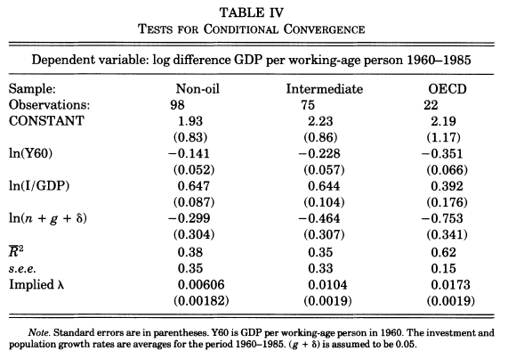
Resultado Nº 03
Estimación del modelo de Solow
Dependent Variable: Log(PBI per capita PPP) en 2011
Muestra de 31 países de LATAM

Variable | Coefficient | Std. Error | t-Statistic | Prob.

Cte. | 0.28 | 0.527 | 0.524 | 0.606
Log(PBI per capita PPP) en 1980 | -0.05 | 0.053 | -0.875 | 0.393
Log(I/GDP) | 0.11 | 0.122 | 0.922 | 0.369
Log(n+g+delta) | -0.11 | 0.063 | -1.773 | 0.093 | 0.05
 |  |  |  |  | 0.02071
R-squared | 0.17
Adjusted R-squared | 0.03
Prob(F-statistic) | 0.34
Restricciones
Lambda implicito | 0.0207

